PDF Work Instructions
Work Instructions
ODL PACKAGING DATA FORM (PDF)

Please Note: for the cells that do not have a reference number corresponding to the work instructions, no input value is necessary
***FIELDS HIGHLIGHTED IN GRAY ARE MANDATORY; data MUST be entered into gray fields prior to submission or pdf will be returned to supplier.

Proposal: | Concept/quote: |  | 1A |  | Prototype: | 1B | Production: | 1C | Rev Level: | 1D
Product line: | 1E |  |  |  | Supplier Name | 1F |  |  | Date Revised: | 1G
Product Group: | 1H |  |  |  | Supplier Plant Location: | 1I
Start of Production Date: | 1J |  |  |  | Supplier Contact: | 1K
Component Annual Volume | 1L |  |  |  | Phone: | 1M |  |  |  |  | Section 1
Component Daily Volume | 1N |  |  |  | Fax: | 1O
ODL Plant Location: | 1P |  |  |  | E-mail: | 1Q

PART INFORMATION |  |  |  |  |  |  |  | Part Dimensions: |  |  | Section 2
ODL Part No.'s | Supplier Part #'s |  | ODL Supplier / Part Name or Description |  |  |  | Tool# | Length (in.) | Width (in.) | Height (in.)
2A |  |  | 2B |  |  |  | 2C | 2D | 2E | 2F
 |  |  |  |  |  |  |  | Part Weight (lbs.)
 |  |  |  |  |  |  |  | 2G

PRIMARY CONTAINER |  |  |  |  |  |  |  | Returnable System Days Assumptions
Expendable or Returnable: | 3A |  |  |  | Length (in.) | Width (in.) | Height (in.) | Supplier inventory days: |  | 4A
Container Model: | 3B |  |  | O.D. | 3G | 3H | 3I | ODL inventory days: |  | 4B
Container Type: | 3C |  |  | I.D. | 3J | 3K | 3L | In-transit to customer days: |  | 4C | Section 3
Color: | 3D |  |  | Tare Weight: | 3M | (lbs.) |  | In-transit from customer days: |  | 4D
Container Supplier: | 3E |  |  | Gross Weight: | #VALUE! | (lbs.) (parts + packaging) |  | Border Crossing/Consolidation: |  | 4E | Section 4
Parts/Container: | 3F |  |  | Container # | 3N |  |  | Contingency/Other: |  | 4F
PRIMARY INTERNAL DUNNAGE |  |  |  |  |  |  |  |  | Total System Days: | 0.00 | Section 5
Dunnage Expendable or Returnable: |  | 5A |  |  |  |  |  |  | Shipping Frequency: | 4H
Dunnage Description: | 5B |  |  |  |  | include qty/container |  |  | Total Containers in System: | #VALUE!
 |  |  |  |  |  |  |  |  | Total Pallet Sets in System: | #VALUE!
Dunnage Supplier: | 5C |  |  |  |  |  |  | Return Ratio: | 4I | to 1

PALLET INFORMATION |  |  |  | Days on hand of One pallet |  |  | BACKUP EXPENDABLE INFORMATION
Pallet expendable or returnable: | 6A | Total Parts/ Pallet |  |  | #VALUE! |  | Carton Description/Part #: |  | 7A
Containers/layer: | 6B | #VALUE! |  |  | Pallet Loads/Trailer Layer: | 6C | Dunnage Description/Part #: |  | 7B
Layers of containers/pallet: | 6D |  |  |  | Pallet Loads High/Trailer: | 6E | Pallet Description/Part #: |  | 7C
Total containers/pallet load: | #VALUE! |  |  |  | Pallet Loads/Trailer: | #VALUE! |  |  |  |  | Section 6
Pallet # | 6F | #VALUE! | Total Pallet Wt. |  |  |  | Expendable Supplier: |  | 7D
 | Length (in.) | Width (in.) | Height (in.) |  |  |  | Expendable PO/Quote #: |  | 7E |  | Section 7
Overall unit load dimensions: | 6G | 6H | 6I |  |  |  | Additional Information: 7F
Pallet Model #: | 6J
Pallet Type and Description: | 6K |  |  | 6L | lbs
Lid Model #: | 6M
Lid Type and Description: | 6N |  |  | 6O | lbs
Unit load banding method: | 6P |  | seatbelts or stretch wrap

CONTAINER/PALLET IDENTIFICATION (specify: hot stamp, stenciling, ID tag) |  |  |  |  |  |  | CONTAINER LOADING INSTRUCTIONS
Totes/Bulk Container ID Info: | 8A |  |  |  |  |  | Provide Detail on Loading/Unloading: 9A
Verbage: | 8B |  |  |  |  |  |  |  |  |  | Section 8
Location: | 8C
Additional Label Info: | 8D |  |  |  |  |  |  |  |  |  | Section 9
Color: | 8E
Sequential #: | 8F
Barcode Label Holder: | 8G |  |  | Plastic holder or Kennedy Placard

DRAWING / PICTURE OF PARTS AND PACK |  |  |  |  |  |  | CONTAINER CLEANING & MAINTENANCE
10A |  | 10B |  |  |  |  |  | Ownership Resp. | 11A
 |  |  |  |  |  |  |  | Amount Assumption: | 11B
 |  |  |  |  |  |  | Frequency: |  | 11C
 |  |  |  |  |  |  |  | Repair/Replacement Rates: | 11D |  | Section 10
 |  |  |  |  |  |  | Cleaning instructions and comments:
 |  |  |  |  |  |  | Comments/Instructions: 11E |  |  |  | Section 11

PACKAGING APPROVAL
Supplier Packaging Engineer: |  | Supplier Quality Contact: |  |  |  |  | Supplier Materials Contact
sign,date,print |  | sign,date,print |  |  |  |  | sign,date,print

ODL Packaging Engineer: |  | ODL Quality Contact: |  |  |  |  | ODL Materials Contact:
sign,date,print |  | sign,date,print |  |  |  |  | sign,date,print

ODL Manufacturing Contact: |  | Other approval contacts:
sign,date,print |  | sign,date,print

Packaging requirements are detailed in ODL Supplier Standards Manual (Supply Chain management Expectations/Packaging Requirements).

All suppliers are required to have an expendable packaging back up plan per Supplier Standards Manual.
Form level: Rev. B (February 2021)

Expendable PDF
ODL PACKAGING DATA FORM (PDF)

***FIELDS HIGHLIGHTED IN GRAY ARE MANDATORY; data MUST be entered into gray fields prior to submission or pdf will be returned to supplier.

Proposal: | Concept/quote: |  |  |  | Prototype: | X | Production: |  | Rev Level: | 1
Product line: | Blink |  |  |  | Supplier Name | All-Parts Inc. |  |  | Date Revised: | 2011-07-08
Product Group: | Blinds |  |  |  | Supplier Plant Location: | Springfield, IL
Start of Production Date: | 2011-10-12 |  |  |  | Supplier Contact: | Joe Smith
Component Annual Volume | 100,000 |  |  |  | Phone: | (2481234567
Component Daily Volume | 417 |  |  |  | Fax: | (2489876543
ODL Plant Location: | Zeeland, MI |  |  |  | E-mail: | j.smith@allparts.com

PART INFORMATION |  |  |  |  |  |  |  | Part Dimensions:
ODL Part No.'s | Supplier Part #'s |  | ODL Supplier / Part Name or Description |  |  |  | Tool# | Length (in.) | Width (in.) | Height (in.)
2229361 | 1234567 |  | Belt Assy-Buckle RR O/B |  |  |  |  | 8.000 | 2.000 | 1.500
 |  |  |  |  |  |  |  | Part Weight (lbs.)
 |  |  |  |  |  |  |  | 0.410

PRIMARY CONTAINER |  |  |  |  |  |  |  | Returnable System Days Assumptions
Expendable or Returnable: | Expendable |  |  |  | Length (in.) | Width (in.) | Height (in.) | Supplier Inventory Days: |  | 10.00
Container Model: | Corrugated box |  |  | O.D. | 10.000 | 15.000 | 8.000 | ODL Inventory Days: |  | 2.00
Container Type: | Bulk box |  |  | I.D. | 9.500 | 14.500 | 7.500 | In-Transit to Customer Days: |  | 0.00
Color: | Brown |  |  | Tare Weight: | 1.500 | (lbs.) |  | In-Transit from Customer Days: |  | 0.00
Container Supplier: | ABC inc |  |  | Gross Weight: | 19.54 | (lbs.) (parts + packaging) |  | Border Crossing/Consolidation: |  | 0.00
Parts/Container: | 44 |  |  | TC Container # |  |  |  | Contingency/Other: |  | 0.00
PRIMARY INTERNAL DUNNAGE |  |  |  |  |  |  |  |  | Total System Days: | 12.00
Dunnage Expendable or Returnable: |  | Expendable |  |  |  |  |  |  | Shipping Frequency:
Dunnage Description: | Layer Pads, 21 x 12 7/8 poly coated chip, 2 per container |  |  |  |  | include qty/container |  |  | Total Containers in System: | 126.0
 |  |  |  |  |  |  |  |  | Total Pallet Sets in System: | 7.0
Dunnage Supplier: | USA Packaging |  |  |  |  |  |  | Return Ratio: | 0 | to 1

PALLET INFORMATION |  |  |  | Days on hand of One pallet |  |  | ADDITIONAL EXPENDABLE INFORMATION
Pallet Expendable or Returnable: | Expendable | Total Parts/ Pallet |  |  | 1.90 |  | Carton Description/Part #: |  | Corrugated Box
Containers/Layer: | 6 | 792 |  |  | Pallet Loads/Trailer Layer: | 26 | Dunnage Description/Part #: |  | N/A
Layers of Containers/Pallet: | 3 |  |  |  | Pallet Loads High/Trailer: | 2 | Pallet Description/Part #: |  | Wooden Pallet
Total Containers/Pallet Load: | 18 |  |  |  | Pallet Loads/Trailer: | 52
Pallet # |  | 367.72 | Total Pallet Wt. |  |  |  | Expendable Supplier: |  | Box Supplier Co.
 | Length (in.) | Width (in.) | Height (in.) |  |  |  | Expendable PO/Quote #:
Overall Unit Load Dimensions: | 48.0 | 45.0 | 24.0 |  |  |  | Additional Information:
Pallet Model #: | 45x48 Heat treated
Pallet Type and Description: | Blocked plywood pallet |  |  | 15.00 | lbs.
Lid Model #: | Corrugated
Lid Type and Description: | Expendable corrugated |  |  | 1.00 | lbs.
Unit Load Banding Method: | Stretch wrap |  | seatbelts or stretch wrap

CONTAINER/PALLET IDENTIFICATION (specify: Labels) |  |  |  |  |  |  | CONTAINER LOADING INSTRUCTIONS
Box and Pallet label Info: |  |  |  |  |  |  | Provide Detail on Loading/Unloading:
Additional Info:
Location: | 4 sides
Additional Label Info:
Color: | Black
Sequential #:
Barcode Label Holder:

DRAWING / PICTURE OF PARTS AND PACK |  |  |  |  |  |  | CONTAINER CLEANING & MAINTENANCE
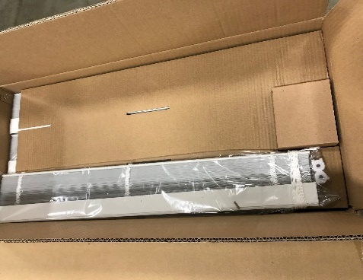 |  | 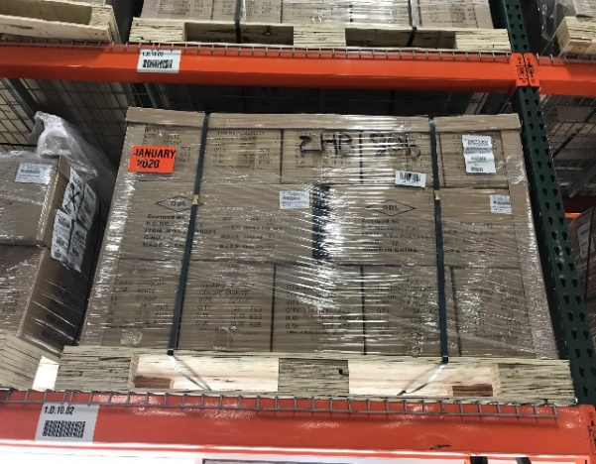 |  |  |  |  |  | Ownership Resp. | All-Parts, Inc.
 |  |  |  |  |  |  |  | Amount Assumption: | 1 cent per part
 |  |  |  |  |  |  |  | Frequency: | As Required
 |  |  |  |  |  |  |  | Repair/Replacement Rates: | As Required
 |  |  |  |  |  |  | Cleaning instructions and comments:
 |  |  |  |  |  |  | Comments/Instructions:

PACKAGING APPROVAL
Supplier Packaging Engineer: |  | Supplier Quality Contact: |  |  |  |  | Supplier Materials Contact:
sign,date,print |  | sign, date, print |  |  |  |  | sign, date, print

ODL Packaging Engineer: |  | ODL Quality Contact: |  |  |  |  | ODL Materials Contact:
sign,date,print |  | sign, date, print |  |  |  |  | sign, plant, print

ODL Manufacturing Contact: |  | Other approval contacts:
sign,date,print |  | sign, date, print

Packaging requirements are detailed in ODL Supplier Standards Manual (Supply Chain management Expectations/Packaging Requirements).

All suppliers are required to have an expendable packaging back up plan per Supplier Standards Manual.
Form level: Rev. B (February 2021)

Returnable PDF
ODL PACKAGING DATA FORM (PDF)

***FIELDS HIGHLIGHTED IN GRAY ARE MANDATORY; data MUST be entered into gray fields prior to submission or pdf will be returned to supplier.

Proposal: | Concept/quote: |  |  |  | Prototype: | X | Production: |  | Rev Level: | 1
Product line: | Blink |  |  |  | Supplier Name | All-Parts Inc. |  |  | Date Revised: | 2011-07-08
Product Group: | Blinds |  |  |  | Supplier Plant Location: | Springfield, IL
Start of Production Date: | 2011-10-12 |  |  |  | Supplier Contact: | Joe Smith
Component Annual Volume | 100,000 |  |  |  | Phone: | (2481234567
Component Daily Volume | 417 |  |  |  | Fax: | (2489876543
ODL Plant Location: | Zeeland, MI |  |  |  | E-mail: | j.smith@allparts.com

PART INFORMATION |  |  |  |  |  |  |  | Part Dimensions:
ODL Part No.'s | Supplier Part #'s |  | ODL Supplier / Part Name or Description |  |  |  | Tool# | Length (in.) | Width (in.) | Height (in.)
2229361 | 1234567 |  | Belt Assy-Buckle RR O/B |  |  |  |  | 8.000 | 2.000 | 1.500
 |  |  |  |  |  |  |  | Part Weight (lbs.)
 |  |  |  |  |  |  |  | 0.410

PRIMARY CONTAINER |  |  |  |  |  |  |  | Returnable System Days Assumptions
Expendable or Returnable: | Returnable |  |  |  | Length (in.) | Width (in.) | Height (in.) | Supplier Inventory Days: |  | 5.00
Container Model: | 2415-7 |  |  | O.D. | 24.000 | 15.000 | 7.000 | ODL Inventory Days: |  | 3.00
Container Type: | Tote |  |  | I.D. | 21.400 | 13.000 | 6.300 | In-Transit to Customer Days: |  | 1.00
Color: | Blue |  |  | Tare Weight: | 4.600 | (lbs.) |  | In-Transit from Customer Days: |  | 1.00
Container Supplier: | Orbis |  |  | Gross Weight: | 22.64 | (lbs.) (parts + packaging) |  | Border Crossing/Consolidation: |  | 0.00
Parts/Container: | 44 |  |  | Container # | 2103994 |  |  | Contingency/Other: |  | 0.00
PRIMARY INTERNAL DUNNAGE |  |  |  |  |  |  |  |  | Total System Days: | 10.00
Dunnage Expendable or Returnable: |  | Expendable |  |  |  |  |  |  | Shipping Frequency:
Dunnage Description: | Layer Pads, 21 x 12 7/8 poly coated chip, 2 per container |  |  |  |  | include qty/container |  |  | Total Containers in System: | 108.0
 |  |  |  |  |  |  |  |  | Total Pallet Sets in System: | 3.0
Dunnage Supplier: | USA Packaging |  |  |  |  |  |  | Return Ratio: | 1 | to 1

PALLET INFORMATION |  |  |  | Days on hand of One pallet |  |  | BACKUP EXPENDABLE INFORMATION
Pallet Expendable or Returnable: | Returnable | Total Parts/ Pallet |  |  | 3.80 |  | Carton Description/Part #: |  | Corrugated Box
Containers/Layer: | 6 | 1584 |  |  | Pallet Loads/Trailer Layer: | 26 | Dunnage Description/Part #: |  | N/A
Layers of Containers/Pallet: | 6 |  |  |  | Pallet Loads High/Trailer: | 2 | Pallet Description/Part #: |  | Wooden Pallet
Total Containers/Pallet Load: | 36 |  |  |  | Pallet Loads/Trailer: | 52
Pallet # | 2289928 | 880.04 | Total Pallet Wt. |  |  |  | Expendable Supplier: |  | Box Supplier Co.
 | Length (in.) | Width (in.) | Height (in.) |  |  |  | Expendable PO/Quote #:
Overall Unit Load Dimensions: | 48.0 | 45.0 | 47.0 |  |  |  | Additional Information: Back up expendable is to be the Mirror of the returnable or smaller with the same pack density as the returnable container.
Pallet Model #: | 45x48 Journey
Pallet Type and Description: | Plastic Pallet - Returnable |  |  | 50.00 | lbs.
Lid Model #: | 45x48 MP2
Lid Type and Description: | Plastic Lid - Returnable |  |  | 15.00 | lbs.
Unit Load Banding Method: | Seat belts |  | seatbelts or stretch wrap

CONTAINER/PALLET IDENTIFICATION (specify: hot stamp, stenciling, ID tag) |  |  |  |  |  |  | CONTAINER LOADING INSTRUCTIONS
Totes/Bulk Container ID Info: | Hot Stamp: Property of ODL |  |  |  |  |  | Provide Detail on Loading/Unloading:
Verbiage: | Return to All-Parts Inc. Springfield IL
Location: | 4 sides
Additional Label Info: | Return to All-Parts Inc. Springfield IL
Color: | Black
Sequential #:
Barcode Label Holder: | Plastic Holder |  |  | Plastic holder or Kennedy Placard

DRAWING / PICTURE OF PARTS AND PACK |  |  |  |  |  |  | CONTAINER CLEANING & MAINTENANCE
 |  | 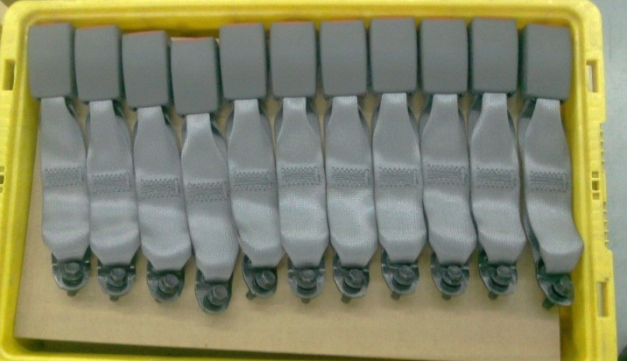 |  |  |  |  |  | Ownership Resp. | All-Parts, Inc.
 |  |  |  |  |  |  |  | Amount Assumption: | 1 cent per part
 |  |  |  |  |  |  |  | Frequency: | As Required
 |  |  |  |  |  |  |  | Repair/Replacement Rates: | As Required
 |  |  |  |  |  |  | Cleaning instructions and comments:
 |  |  |  |  |  |  | Comments/Instructions:

PACKAGING APPROVAL
Supplier Packaging Engineer: |  | Supplier Quality Contact: |  |  |  |  | Supplier Materials Contact
sign,date,print |  | sign,date,print |  |  |  |  | sign,date,print

ODL Packaging Engineer: |  | ODL Quality Contact: |  |  |  |  | ODL Materials Contact:
sign,date,print |  | sign,date,print |  |  |  |  | sign,date,print

ODL Manufacturing Contact: |  | Other approval contacts:
sign,date,print |  | sign,date,print

Packaging requirements are detailed in ODL Supplier Standards Manual (Supply Chain management Expectations/Packaging Requirements).

All suppliers are required to have an expendable packaging back up plan per Global Supplier Standards Manual.
Form level: Rev. B (February 2021)

