Guidelines and Instructions
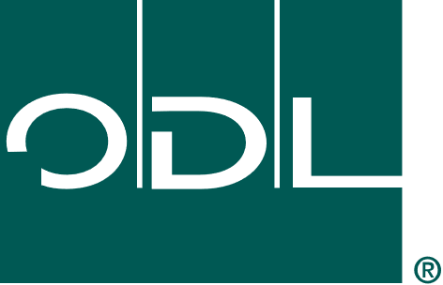
 | ODL Advanced Sourcing Feasibility Assessment
For: Minimum Information to Collect from Prospective Suppliers

 | Guidelines and Instructions

 | Purpose:
 | The ODL Advanced Sourcing Feasibility Assessment is a tool intended to outline the minimum information that must be collected from a prospective supplier before we can proceed with further information sharing. This form may be initiated by any department, but should be shared with Purchasing for further evaluation of and communication with potential supply sources.

 | Scope:
 | This form applies to any new company that is identified that can potentially provide ODL with products or services. It is the first source of actionable supplier information and serves to informally initiate the ODL Supplier Qualification & Development Process (OSQD APPROVE) when potential new sources are being considered.

 | Responsibilities:
 | Product Engineering (E&D) – Is responsible to initiate the use of the form with any potential new source. Whether they send the form via e-mail or fill it out while on the phone is not important.
 | Purchasing – Is responsible to take the completed form(s) as a starting point to conduct their market research and identify potential new or existing sources for the material, component or assembly that is needed for the product being developed / researched. Purchasing may also be the initiator of the form for early intel gathering.

 | Guidelines and Instructions:
 | 1. The information on the form must be filled as much as possible, keeping in mind that the company being asked to complete it may decline to share certain information.
 | 2. Depending on the Phase of development that ODL is in at the time, we may have already executed a Mutual Non-Disclosure Agreement (NDA) with this potential source. Please make sure that there is an NDA in place before asking them to complete the form.

