Guidelines and Instructions

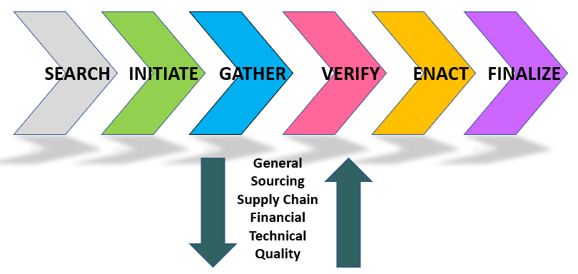
ODL Supplier Competency Appraisal - [FPUR-005]
For: Verification of Supplier Competency & Readiness for new ODL Business

Purpose:
The ODL Supplier Competency Appraisal is a tool intended to provide the structure and content to confirm supplier status in key competency areas (other than Quality Systems) and and identify potential gaps and risks prior to awarding business to a new supplier candidate. If any of the responses that are receive from the supplier are concerning or require further dialogue or verification, then it may result in a temporary pause on the qualification. If there are any "deal breakers" that come out of this activity, then the entire cross-functional sourcing team and Leadership should be quickly made aware.

Scope:
The use of this tool mirrors an audit and is intended to be completed through an open dialogue or "interview" between subject matter experts, preferably via phone, video call or in person. The tool applies to any company that is being considered for qualification and approval as a new supplier by ODL via the OSQD APPROVE process. This tool would be started and completed at some point between the INITIATE (P2-Concept) and VERIFY (P4-Implementation) phase, depending on the specific project scenario. The completion of each section can be done independently and would be performed on a parallel track to the execution of the ODL Supplier Quality Systems Audit. The form is intended for Global usage by all ODL locations.

Responsibilities:
Purchasing – Has primary responsibility to ensure that the form is completed and any concerns or issues that come out of the appraisal are addressed with the supplier. Purchasing will also be responsible for working with the prospective new supplier in completing Section 5. Supplier Capacity / Throughput.
Product Engineer / Design Engineer – The designated Engineer from the cross-functional sourcing team is responsible for dialoguing with the technical resource(s) from the prospective supplier candidate to complete Section 1. Engineering / Product Design.
Quality Engineer – The designated QE from the cross-functional sourcing team is responsible for dialoguing with the quality and process engineering representative(s) from the supplier to complete Section 2. Quality Engineering / PPAP and Section 3. Manufacturing Process Control / Capability.
Supply Chain – The designated supply chain resource from the cross-functional sourcing team is responsible for dialoguing with the supply chian / logistics resource(s) from the prospective supplier candidate to complete Section 4. Supply Chain / Logistics / Planning.
Supplier Quality Engineer – The designated SQE from the cross-functional sourcing team is responsible for conducting a detailed review of the completed tool and determining (with the input and collaboration of all contributors) whether the supplier responses are complete, adequate and reflective of a competent supplier ready to implement our business. Follow ups to areas of concern may be addressed through the use of Audit Finding Actions (AFAs), in the same manner that concerns or opportunities are addressed following a Quality Systems Audit.

Guidelines and Instructions:
1. The first person to initiate the tool should populate the basic supplier information (Section A) based on all of the information collected previously. Once populated, the file should be renamed appropriately and stored in the correct supplier folder in the Microsoft Teams / OSQD New Supplier Qualifications / Files area.
2. The rest of the team should be informed that the tool has been initiated for the GATHER phase and that they are expected to complete the section(s) that they are responsible for. If current contact information for a subject matter expert (SME) from the supplier is not available, the responsible ODL Purchasing rep or Supplier Quality Engineer should be contacted to get the proper contact.
3. Each question on the suitability appraisal has been provided with a corresponding Guidance question and /or prompt to help to clarify or steer the dialogue.
4. In the Response column, select the most appropriate value that reflects the answer or assurance that was received from the supplier for each question. The possible responses available are: YES, NO, Partial, Concern, Ready, Not Ready, Not Applicable, See Explanation.
5. In the Explanation / Comments / Evidence is a free-text field that should be populated with a detailed record of the response or answer received from the supplier.
6. Several (but not all) of the questions request that the supplier provide documents as evidence of their competency and suitabilty in a given area of interest. The full name of the document (and date saved) should be recorded in the Document(s) Attached column. The files are to be saved to the same folder in Microsoft Teams where the Final Supplier Suitability Appraisal is being kept.
7. Once completed, the Purchasing and Supplier Quality Engineer will review the document for completeness and request follow-up for any areas where the answers or evidence provided is considered inadequate. Once completed to their satisfaction, then the balance of the supplier set-up and pre-implementation activities in the VERIFY phase can commence. If the supplier is unable or unwilling to respond to each of these questions to ODL's satisfaction, then escalation activities with the supplier management or suspension of the qualification may be necessary.

